Menu
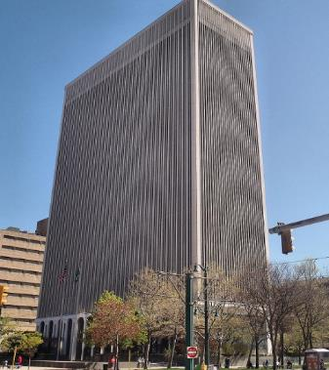
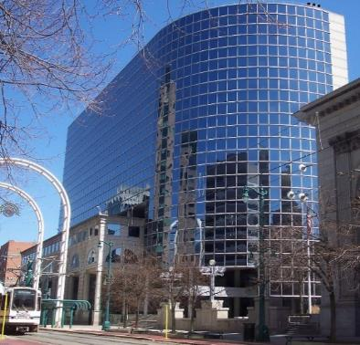
Select Company Name

Financial Ratios
 |  |  |  |  |  |  |  |  | Selection | 1

Company and Industry Comparison
 |  |  |  |  |  |  |  |  | Debt Service Coverage Ratio | 2.1 | 2.4 | 2.4 | 2.8
 |  |  |  |  |  |  |  |  | Debt Company | 17.22 | 39.24 | 30.02 | 4.42
Select Graph: |  |  | Company: | Bassett Furniture Industries, Incorporated
42321 - Furniture Whl. - Debt Service Coverage Ratio
 |  |  |  |  |  |  |  |  | 00001 | 00002 | 00003 | 00004 | 00005
 |  |  |  |  |  |  |  |  | Debt Service Coverage Ratio | 2.10 | 2.40 | 2.40 | 2.80
 |  |  |  |  |  |  |  |  | Balance Sheet Leverage Test | 2.00 | 2.10 | 2.40 | 2.50

 |  |  |  |  |  |  |  |  | Debt Company | 17.22 | 39.24 | 30.02 | 4.42
 |  |  |  |  |  |  |  |  | Leverage Company | 0.01 | 0.01 | 0.01 | 0.05

 |  |  |  |  |  |  |  |  | 42321 - Furniture Whl. - Debt Service Coverage Ratio

 | Industry: | 42321 - Furniture Whl. |  |  | Year 1 | Year 2 | Year 3 | Year 4
 |  |  | Debt Service Coverage Ratio | Industry | 2.1 | 2.4 | 2.4 | 2.8
 |  |  |  | Company | 17.2 | 39.2 | 30.0 | 4.4

 |  |  | Balance Sheet Leverage Test | Industry | 2.0 | 2.1 | 2.4 | 2.5
 |  |  |  | Company | 0.0 | 0.0 | 0.0 | 0.1

Model
Model: Scoring Your Prospects

Company | Industry | Aggregate Scores | Ratio Scoring | Drive Time to Company | Industry 5-Year Projected Annual Growth | Company 4 Year Average Balance Sheet Leverage Test | Industry 4 Year Average Balance Sheet Leverage Test | Company 4 Year Average Debt Service Coverage Ratio | Industry 4 Year Average Debt Service Coverage
Altria Group | 31222 - Cigarette & Tobacco Mfg. | -2.63 | 0 | 0.063 | -0.0240 | 0.690 | 1.750 | 5.585 | 2.325
Owens & Minor, Inc. | 42345 - Medical Supplies Whl. | 1.70 | 0 | 0.063 | 0.0370 | 0.189 | 2.100 | 3.672 | 3.175
CarMax Inc | 44112 - Used Car Dealers | 2.23 | 0 | 0.031 | 0.0140 | 2.135 | 3.075 | 3.091 | 1.150
NewMarket Corporation | 32511 - Petrochemical Mfg. | 3.23 | 0 | 0.094 | 0.0290 | 0.476 | 0.900 | 27.126 | 3.625
Markel Corporation | 52412 - Property, Casualty and Direct Insurance | 3.91 | 2 | 0.063 | 0.0320 | 0.000 | 1.550 | 0.000 | 6.700
Performance Food Group Company | 42441 - Grocery Whl. | 5.21 | 2 | 0.031 | 0.0120 | 0.519 | 2.250 | 1.207 | 2.800
Huntington Ingalls Industries, Inc. | 33661a - Ship Building | 5.95 | 0 | 0.250 | 0.0420 | 0.359 | 1.925 | 3.223 | 3.125
Westrock Company | 54189 - Promotional Products | 8.93 | 2 | 0.063 | 0.0140 | 0.248 | 4.275 | 2.219 | 2.625
Dominion Resources, Inc. | 22111a - Coal & Natural Gas Power | 8.93 | 2 | 0.063 | 0.0140 | 0.931 | 1.925 | 0.530 | 1.567
Brink's Company (The) | 56161 - Security Services | 8.93 | 2 | 0.031 | 0.0070 | 0.236 | 2.075 | 0.937 | 6.625
Advance Auto Parts Inc | 42312 - Auto Parts Whl. | 12.50 | 0 | 0.375 | 0.0300 | 0.205 | 1.725 | 15.171 | 2.500
Bassett Furniture Industries, Incorporated | 42321 - Furniture Whl. | 16.30 | 0 | 0.375 | 0.0230 | 0.021 | 2.250 | 22.724 | 2.425

Drive Time Factor
Drive Time Factor Table

Drive Time Table | Time | Factor
Richmond | 0.25 | 0.03125
Richmond 2 | 0.5 | 0.0625
Richmond 3 | 0.75 | 0.09375
Petersburg | 1 | 0.125
Farmville | 1 | 0.125
Frederick | 1 | 0.125
Tidewater | 2 | 0.25
Lynchburg | 2 | 0.25
Harrisonburg | 2 | 0.25
Roanoke | 3 | 0.375
Martinsville/Danville | 3 | 0.375
Wytheville | 4 | 0.5
Abingdon | 5 | 0.625

